1. Title Page
[Project Name]

Project Name: InstaCart Analysis
Date: 8/11/22
Analyst Name: Javier Escalante

Contents:
Population Flow
Consistency checks
Wrangling steps
Column derivations
Visualizations
Recommendations

2. Population Flow
 |  | Title page

Population flow

Exclusion flag
Condition: max_order <
Obervations to be removed:
Final total count of order_products_all:

Orders_products_combined
Orders_products_merged
Orders_products_all

Total:32434489
Total:
Total:
32434489 | 32404859

1.) The grey boxes in the first row of the population flow represent the original data sets as they were when you downloaded them. In the Total fields you need to add the count of the rows when you imported the data set into Jupyter.
2.) The second row of boxes (coloured) represents the data sets after you manipulated them, e.g., removed missing values and duplicates. In the Total fields you need to add the count of the rows after conducting these operations. This offers a visual oveview of how the data flows throughout the data consistency checks.
3.) The third row, where also the arrows are coloured, represents the merges you performed between the datasets. In the Total fields you need to add the count of the rows in the merged datasets, so that you end up with the final dataset (in the red box). Keep in mind the final dataset should be without exclusions (based on the exclusion flag).

3. Consistency checks
 |  |  |  | Title page
Consistency checks

Dataset | Missing values | Missing values treatment | Duplicates
orders | around 206.209 missing in days since prior | ignored | there were no duplicates
products | 16 for product name | created dataframe without the missing data | 5 duplicates but created without duplicates
orders_products_prior | none | none | none
customers | first_name | nothing was done because name is not necessary with user_id | none

4. Wrangling steps
 |  |  |  | Title page
Wrangling steps

Columns dropped | Columns renamed | Columns' type changed | Comment/Reason
 | First Name to first_name |  | consistency
 | STATE to state |  | consistency
 | GENDER to gender |  | consistency
 | Age to age |  | consistency
first_name |  |  | Privacy concern
surname |  |  | privacy concern
_merge |  |  | irrelevant
 | order_dow | Orders_day_of_week
 | customer_id | user_id | reduce size
 |  | order_id | reduce size

5. Column derivations
 |  |  |  | Title page

Column derivations and aggregations

Dataset | New column | Column/s it was derived from | Conditions
orders_products_merged | price_range | prices_x | to deliniate price ranges of products
orders_products_merged | max_order | order_number | to determine max number of orders of a user
orders_products_merged | loyalty_flag | max_order | to group customers into bins based on number of orders
orders_products_merged | avg_prod_price | prices_x | to find average price for all products per customer
orders_products_merged | ord_cost | prices_x | to find cost of whole order
orders_products_merged | num_prod_in_order | add_to_cart_order | to find total products per order
orders_products_merged | avg_order_cost | prices_x | to find average order cost per customer
orders_products_merged | median_days_between | days_since_prior_order | to find the median days in between each order per customer
orders_products_merged | exclusion | max_order | to limit data to customer with more than 5 orders
orders_products_merged | age_range | age | to create age ranges
df_orders | time_of_day | order_hour_of_day | to identify age groups and what they purchase
orders_products_merged | pet_stuff | department_id_x | to create a flag for pet items for customer
orders_products_merged | baby_stuff | department_id_x | to create a flag for baby items for customer
orders_products_merged | snacks | department_id_x | to create a flag for snack items per order
orders_products_merged | income_flag | income | to create income ranges
orders_products_merged | region | state | to identify region of country the customer resides

6. Visualizations
 |  |  |  |  | Title page

Visualisations

In this tab you should include all the visualtions from Exercises 4.9 and 4.10, alongside the questions from the project brief that they answer. Include any commentary on the relationship between different variables.

1. The sales team needs to know what the busiest days of the week and hours of the day are (i.e., the days and times with the most orders) in order to schedule ads at times when there are fewer orders.
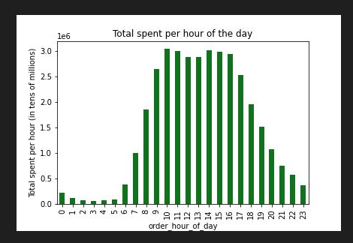
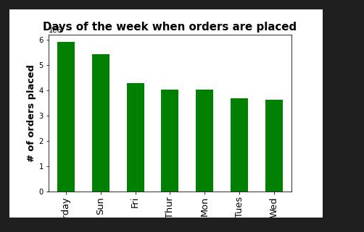
 |  |  |  |  |  |  |  | To increase our sales it is crucial for us to increase our promotions and advertisements on days that are least busy. Those days being Monday, Tuesday, and Wednesday.

2.They also want to know whether there are particular times of the day when people spend the most money, as this might inform the type of products they advertise at these times.
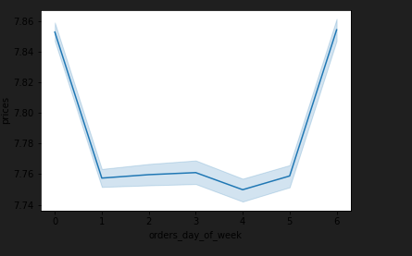
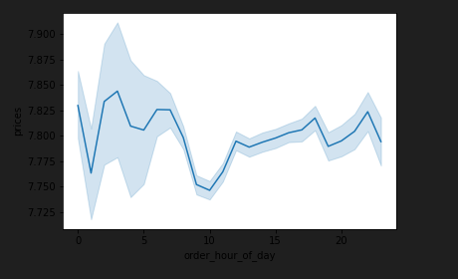

 |  |  |  |  |  |  | I would recommend looking into what is being advertised around 10 am on the weekdays.

3.Instacart has a lot of products with different price tags. Marketing and sales want to use simpler price range groupings to help direct their efforts.

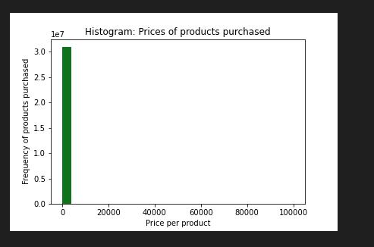
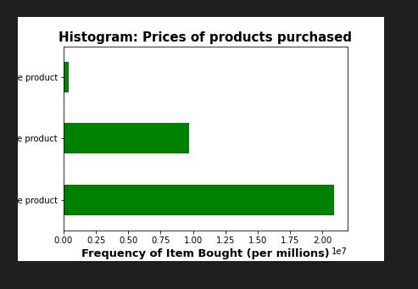

 |  |  |  |  |  |  |  |  | Most of our products are purchased between the mid and low range pricing category so we could recccmoend the keep prices in those ranges for more customer volume to increase overall sales for instacart

4.Are there certain types of products that are more popular than others? The marketing and sales teams want to know which departments have the highest frequency of product orders.
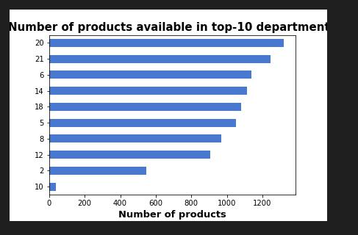
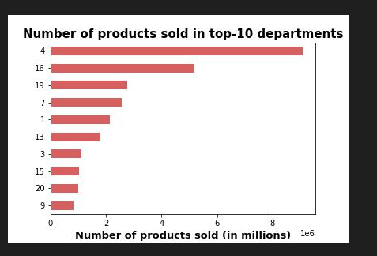

 |  |  |  |  |  |  | Department 20 has the most available products while department 10 has the least
 |  |  |  |  |  |  | What we could do is stock more products on departments 10 and 2 and promote those departments more for more sales in those areas

 |  |  |  |  |  |  | Department 4 is the highest sold product in the whole top ten with 9 being the least sold in the top ten
 |  |  |  |  |  |  | What we could do is promote department 9, 20 and 15 to bring more sales and attention to those departments so they can thrive more.

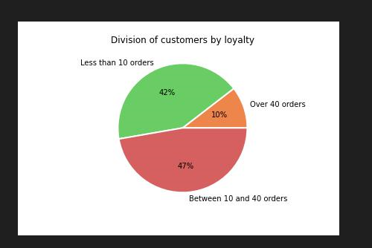

 |  | Customer Loyalty: Loyal customers have over 40 orders, New customers have less than 10 orders and Regular customers have between 10 and 40 orders
 |  | Most orders are placed by regular customers followed by new customers then loyal customers.
 |  | We need to target new customers to bring in more consistent revenue and tthen rewward our loyal customers to keep them happy and coming back to shop

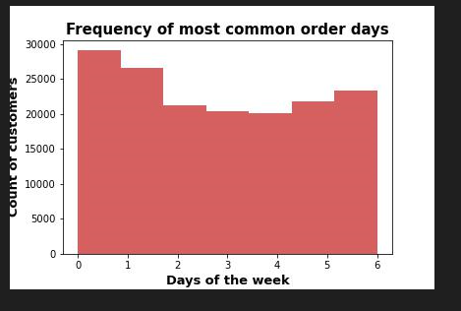
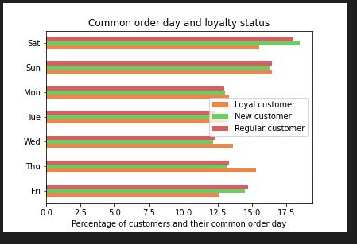

 |  |  |  |  |  | Wednesday is our slowest day but its also for that day our busiest for our loyal customers so we can run specials for our loyal customers on Wednesday to increase orders on wednesdays overall. For new customers on Wednesday it’s the least busy so we can run specials for our new customers on wednesday as well to drive up order sales for instacart

 | Order day by income

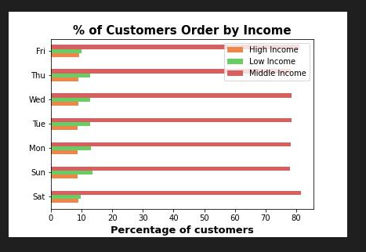

 |  |  | Middle income is the largest group of customers which would be safe to assume because middle class is the most common type of people. High income people do order the least which also is safe to assume

Pet supply purchase by gender

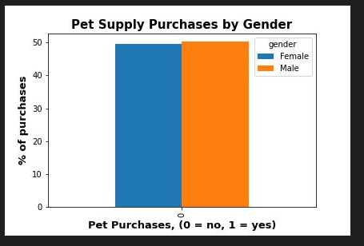

 |  | There really isnt much of a difference among gender with pet purchese but men do purchase just a tiny bit more than women do

Snack purchase by hour

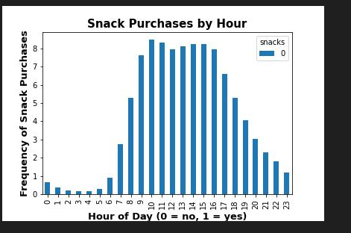

 |  |  |  | Snacks are frequently bought between 9am and 3pm
 |  |  |  | I would recommend advertisement on snacks for the times between 12 am and 7 am because those are our lowest sales for snacks

Age Vs Income
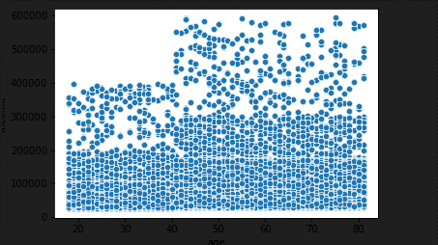

 |  | Results: Customers that are 40 years or younger on average make about 200,000 dollars less. There are a small amount that go up to 400k.
 |  | Mostr customers older than 40 have on average make about 300k a year but also go up to about 600k a year

7. Recommendations
 |  | Title page

Recommendations

In this tab you should include any recommendations you would made to Instcart in terms of their marketing strategy based on the questions posed in the brief. Every key question has been covered in the Tasks of the Exercises - here you need to add an item - a visualisation or table/crosstable that is showing the answer in the data, acompanied by a comment from you. Please, list the questions below and add the answer underneath.

Question | Answer
Key Question 1 | Tab 6
Key Question 2 | Tab 6
Key Question 3 | Tab 6
Key Question 4 | Tab 6
Key Question 5 | Tab 6
Key Question 6 | Tab 6
Key Question 7 | Tab 6

